Sheet1
Global Debt Schedule
Name: |  |  |  |  | Date:
*Please include all debts with GNB and other financial institutions, including loans that you have co-signed or are guaranteeing.

Borrower Name: | Bank / Financial Institution: | Collateral: | Original Loan Balance: | Current Loan Balance: | Interest Rate: | Payment Amount: | Number of Payments per Year:

Totals |  |  | $0.00 | $0.00 |  | $0.00

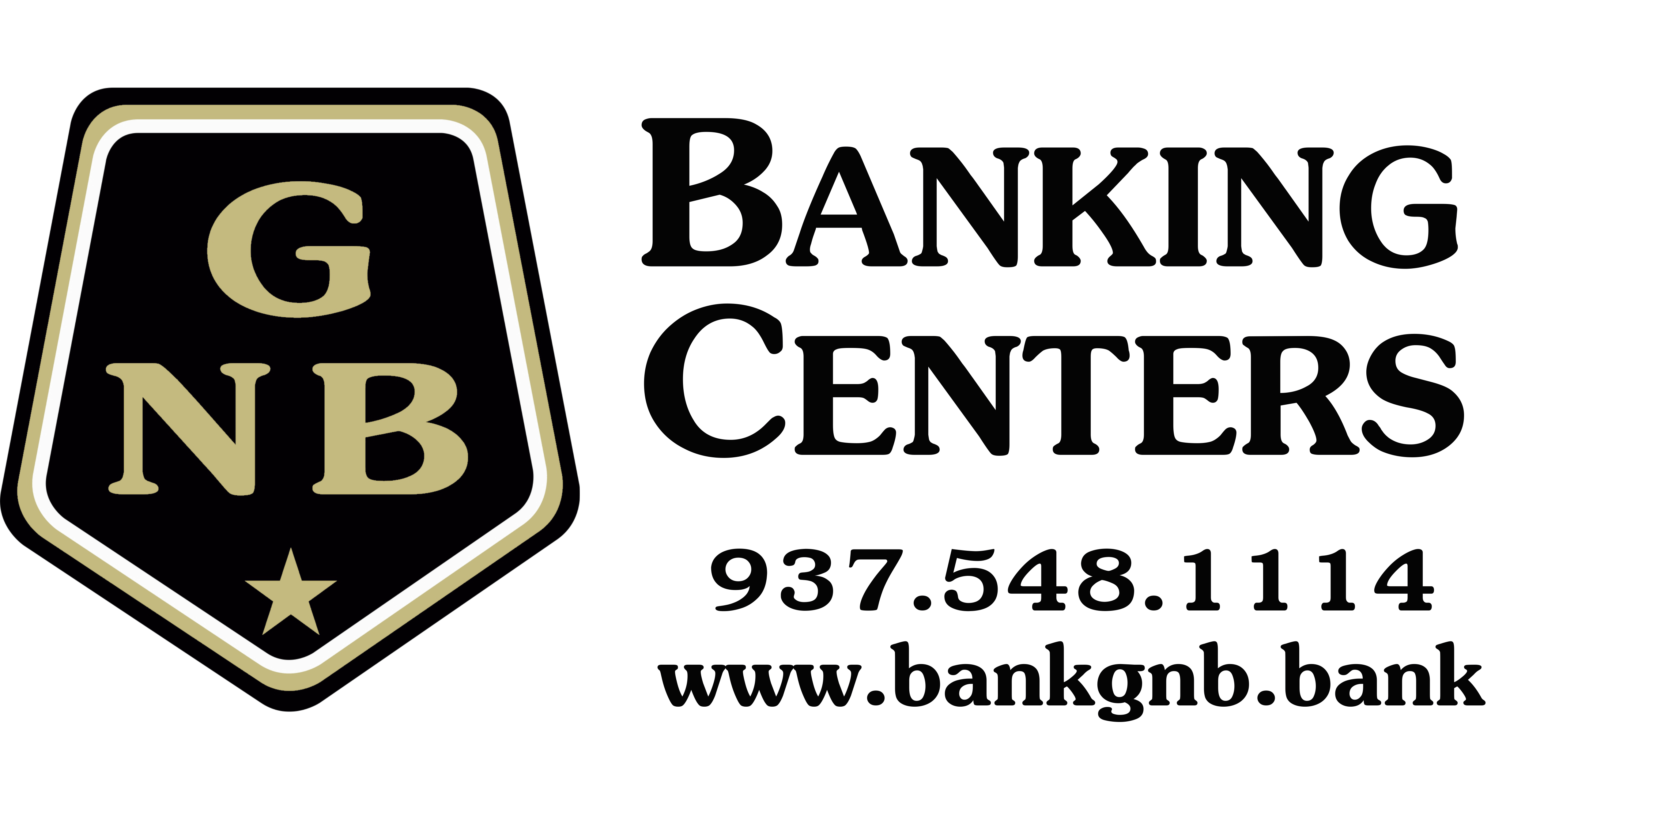

 |  | This form is only intended to be used by GNB and its customers.
 |  | Do not return financial information through unsecured email.

